Home
S.No | Section | Content | List Name | column | Comments | JSON
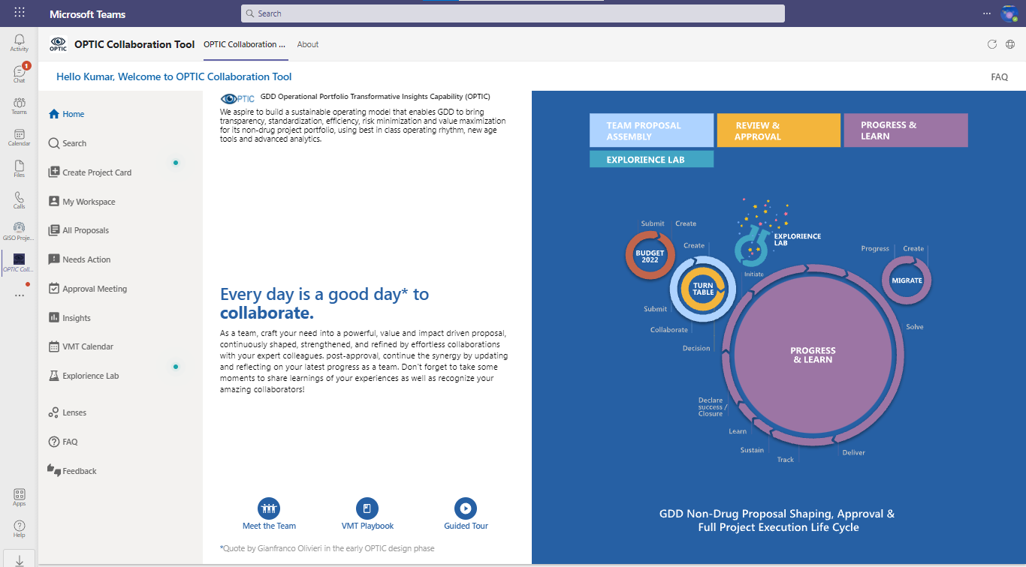

1 | Home | Images,title,description | Configuration | Value(Title:Home) | Value column contains the JSON which fetches the required text and images | { "opticIcon": "https://sticsoftio.sharepoint.com/sites/CollabToolDev/SiteAssets/codeassets/images/HomeOPTICLogo.png", "homeImage":"https://sticsoftio.sharepoint.com/sites/CollabToolDev/SiteAssets/codeassets/images/HomeRight.svg", "title1": "GDD Operational Portfolio Transformative Insights Capability (OPTIC)", "description1": "We aspire to build a sustainable operating model that enables GDD to bring transparency, standardization, efficiency, risk minimization and value maximization for its non-drug project portfolio, using best in class operating rhythm, new age tools and advanced analytics.", "title2":"Every day is a good day* to <strong>collaborate.</strong>", "description2":"As a team, craft your need into a powerful, value and impact driven proposal, continuously shaped, strengthened, and refined by effortless collaborations with your expert colleagues. post-approval, continue the synergy by updating and reflecting on your latest progress as a team. Don't forget to take some moments to share learnings of your experiences as well as recognize your amazing collaborators! ", "leftfooter":"Quote by Gianfranco Olivieri in the early OPTIC design phase", "rightfooter":"GDD Non-Drug Project Review, Approval & Execution Life Cycle", "maintenancemode": false, "maintenanceimage": "https://sticsoftio.sharepoint.com/sites/CollabToolDev/SiteAssets/codeassets/images/maintenance.svg" }
2 | Home | UserName | N/A | N/A | Fetches directly from Microsoft SharePoint Login
3 | Home | Pulsating dot(Create Project Card) | Configuration | Value(Title:Create Proposal Alert) |  | {"title":"👈 Get started here to create a Project Card for:", "description":"", "imageURL":"https://sticsoftio.sharepoint.com/sites/CollabToolDev/SiteAssets/codeassets/images/getStartImg.svg", "show" : true}
4 | Home | Pulsating dot(Explorience Lab) | Configuration | Value(Title:Explorience Lab) |  | {"title":"Looking to explore + experience creating a Project Card?", "description":" You asked, we created! Experiment safely within the Lab space without worrying about disturbing the actual proposal pipeline. Go ahead, give it a try! ", "imageURL":"", "show" : true}
5 | Home | Meet VMT Office | VMT Office Team | User,Role,Department | Fetching from the list and displaying them when user clicks Meet VMT Office
6 | Home | VMT Playbook | Configuration | Value(Title:VMT Playbook) | Value column contains the JSON which fetches the required PPT | /sites/CollabToolDev/SiteAssets/System/Linear Regression.pptx
7 | Home | Guided Tour | Configuration | Value(Title:Home Page Urls) | It fetches the URL of the video | {"guidedTour": "https://sticsoftio.sharepoint.com/:p:/s/CollabToolDev/EWknM3ardjxDlJ_XiQAkzPUBFs2Z0pBb4ig6stkvhbm-IA?e=q2Qi27&nav=eyJzSWQiOjUzMSwiY0lkIjo5Nzk5ODY4N30"}
8 | Home | FAQ | Configuration | Value(Title:FAQ) | Value column contains the JSON which fetches the required PPT | /sites/CollabToolDev/SiteAssets/System/Development Factory FAQ Smaller.docx

Create Project Card
S.No | Section | Content | List Name | column | Comments
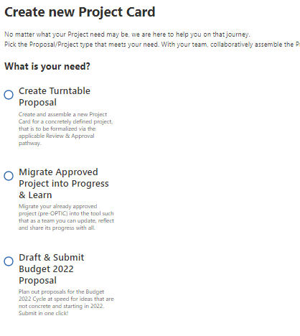

 |  | Project Card
 |  | Create TurnTable Proposal | Proposal Decider | Title
 |  | Migrate Approved Project into Progress & Learn | Proposal Decider | Title
 |  | Draft & Submit Budget 2022 Proposal | Proposal Decider | Title

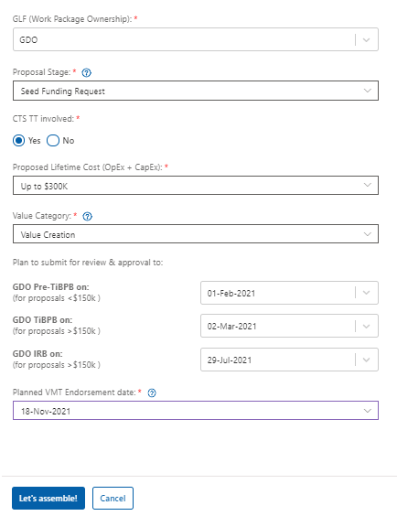

 |  | Turn Table Proposal
 |  | GLF | Function | Title
 |  | Proposal Stage | Funding Types | Funding Type
 |  | CTS IT Involved | N/A(Constants) | N/A | Constants
 |  | Proposed Lifetime Cost (OpEx + CapEx): * | Funding Ranges | Funding Range | Based on Funding Range your pathway is decided
 |  | Value Category: * | Project Categories | Title
 |  | GDO Pre-TiBPB on: (for proposals <$150k ) | GLF Governance Body | Title
 |  | GDO TiBPB on: (for proposals >$150k ) | GLF Governance Body | Title
 |  | GDO IRB on: (for proposals >$150k ) | GLF Governance Body | Title
 |  | GLF Body Dates | GLF Governance Bodies Dates | Date | Based on Governance Dates are fetched
 |  | Planned VMT Endorsement date: * | VMT Calendar | Start Time
 |  | % of scope that is Operational Necessity: * | N/A(Constants) | N/A | If we select Value Category as Operational Necessity
 |  | % of scope that is Compliance: * | N/A(Constants) | N/A | If we select Value Category as Compliance

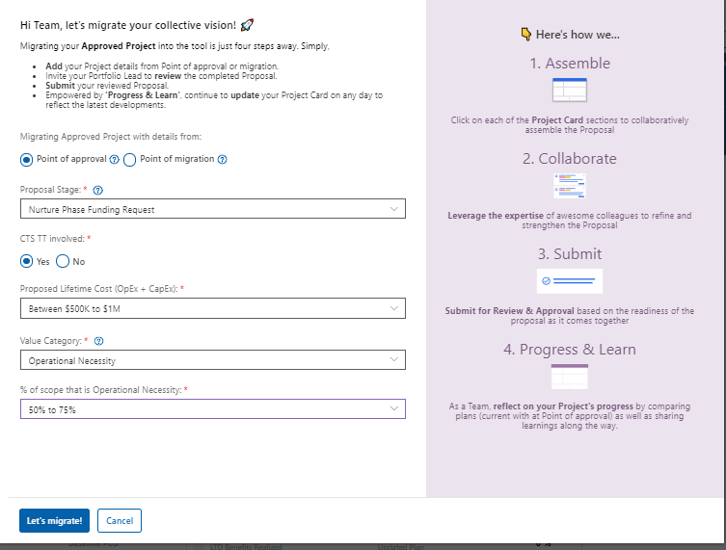

 |  | Similar to Turn Table have an option to differentiate point of approval and point of migration
 |  | Point of approval | N/A(Constants) | N/A
 |  | Point of migration | N/A(Constants) | N/A

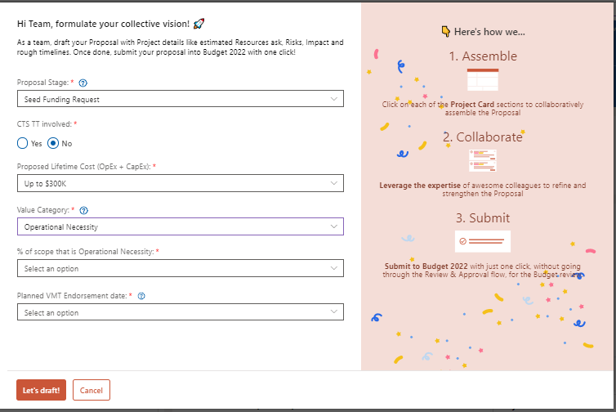

 |  | Budget 2022 Same as turn table without GLF

 |  |  | Proposals,Budget 2022

Project Essentials
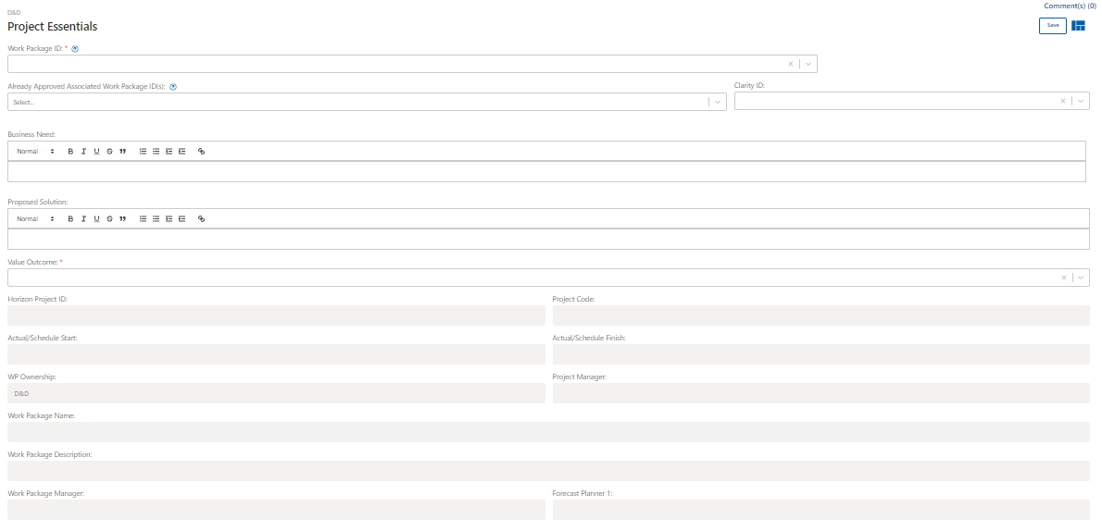
S.No | Section | Content | List Name | column | Comments
 | Proposals
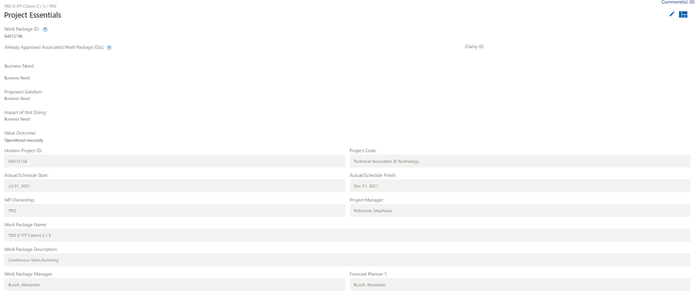

1 | Project Essentials | Work Package ID: | Proposals | Work PackageID
2 | Project Essentials | Already Approved Associated Work Package ID(s): | Proposals | Linked Work Packages
3 | Project Essentials | Business Need: | Proposals | Business Need
4 | Project Essentials | Proposed Solution: | Proposals | Proposed Solution
5 | Project Essentials | Clarity ID: | Proposals | Clarity ID
6 | Project Essentials | Value Outcome: | Proposals | Value Outcome
7 | Project Essentials | Horizon Project ID: | Proposals | Horizon ID
8 | Project Essentials | Project Code: | Proposals | Title
9 | Project Essentials | Actual/Schedule Start: | Proposals | Proposal StartDate
10 | Project Essentials | Actual/Schedule Finish: | Proposals | Proposal EndDate
11 | Project Essentials | WP Ownership: | Proposals | GLF
12 | Project Essentials | Project Manager: | Proposals | Project Manager
13 | Project Essentials | Work Package Name: | Proposals | Work Package Name
14 | Project Essentials | Work Package Description: | Optic DB Master Data | Project Description
15 | Project Essentials | Work Package Manager: | Proposals | WorkPackageManager
16 | Project Essentials | Forecast Planner 1: | Proposals | Financial Planner
 | Projects
 | In Projects we have same columns as above

 | Inputs

Resources
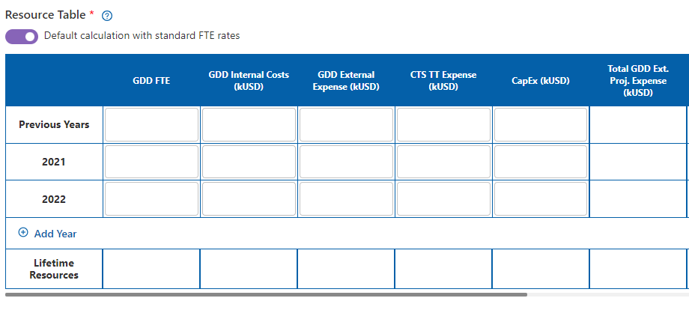
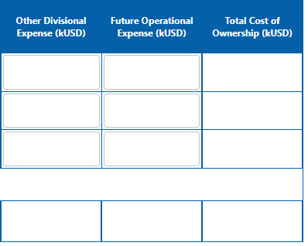
S.No | Section | Content | List Name | column | Comments
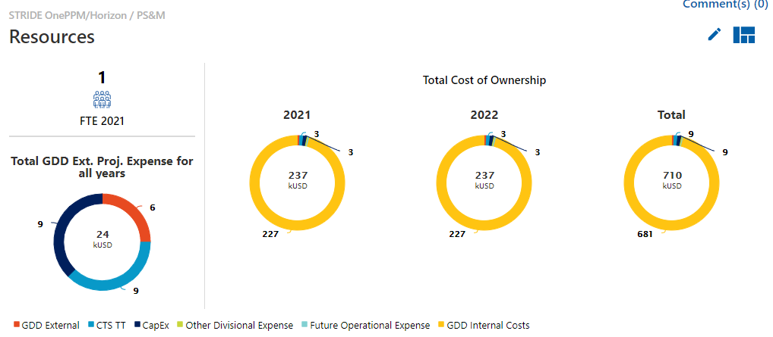

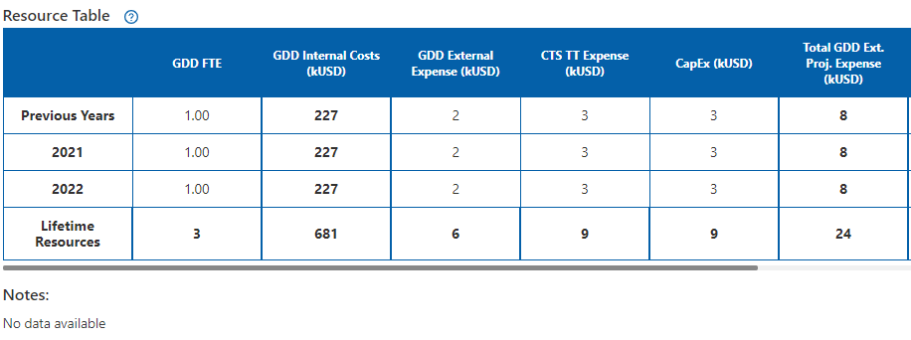

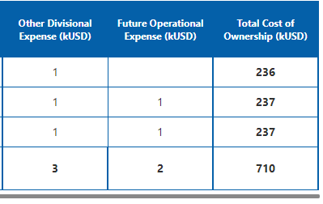

 | Proposals | Resource Table
 | Resources | Previous Years | Resource Breakup | Year
 | Resources | 2021 | Resource Breakup | Year
 | Resources | 2022 | Resource Breakup | Year
 | Resources | Lifetime Resources |  |  | Sum of PreviousYear+2021+2022
 | Resources | GDD External | Resource Breakup | GDD External | User gives the input value
 | Resources | CTS TT | Resource Breakup | NBS IT | User gives the input value
 | Resources | CapEx | Resource Breakup | CapEx | User gives the input value
 | Resources | Other Divisional Expense | Resource Breakup | Other Divisional | User gives the input value
 | Resources | Future Operational Expense | Resource Breakup | Future Operational Expense | User gives the input value
 | Resources | GDD Internal Costs | Resource Breakup | GDD Internal Costs | GDD FTE * 227 (Standard Rate) GDD FTE is given by user
 | Resources | GDD FTE | Resource Breakup | GDD FTE
 | Resources | Total Cost of Ownership |  |  | (GDD Internal Costs+GDD External+CTS TT+CapEx+Other Divisional Expense+Future Operational Expense)
 | Resources | Total GDD Ext. Proj. Expense for all years |  |  | (GDD External+CTS TT+CapEx) for all years

 | Resources | Resource Summary for Associated Work Packages
 | Resources | Associated Work Package | Proposals | Linked Work Packages
 | Resources | Funding Stage | Linked Work Packages Resource Breakup | Funding Type
 | Resources | Current Year (kUSD) | Linked Work Packages Resource Breakup | Current Year Total Cost
 | Resources | Next Year (kUSD) | Linked Work Packages Resource Breakup | Next Year Total Cost
 | Resources | Lifetime cost (kUSD) | Linked Work Packages Resource Breakup | Life Time Cost

 | Project
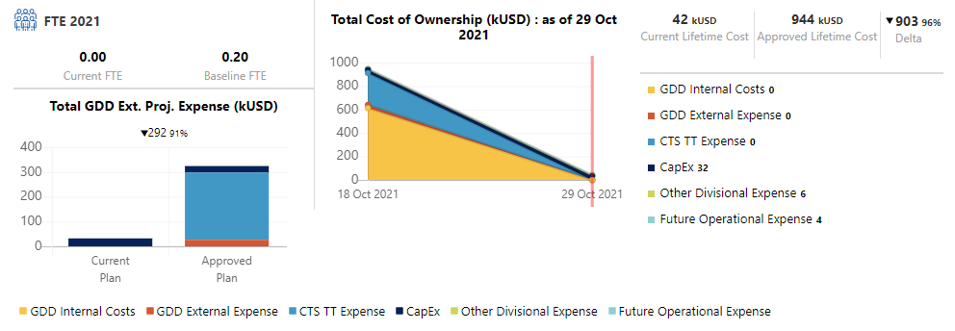

.

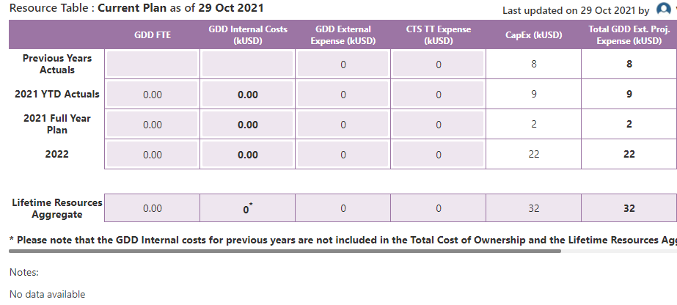
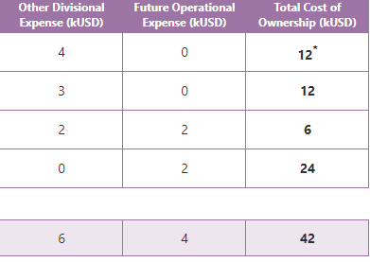

 | Resources | Current Plan
 | Resources | Previous Years Actuals | Resource Breakup | Year
 | Resources | 2021 YTD Actuals | Resource Breakup | Year
 | Resources | 2021 Full Year Plan | Resource Breakup | Year
 | Resources | Lifetime Resources Aggregate |  |  | Sum of PreviousYear+2021+2022+ so on
 | Resources | GDD External | Resource Breakup | GDD External | User gives the input value
 | Resources | CTS TT | Resource Breakup | NBS IT | User gives the input value
 | Resources | CapEx | Resource Breakup | CapEx | User gives the input value
 | Resources | Other Divisional Expense | Resource Breakup | Other Divisional | User gives the input value
 | Resources | Future Operational Expense | Resource Breakup | Future Operational Expense | User gives the input value
 | Resources | GDD FTE | Resource Breakup | GDD FTE
 | Resources | GDD Internal Costs | Resource Breakup | GDD Internal Costs | GDD FTE * 227 (Standard Rate) GDD FTE is given by user

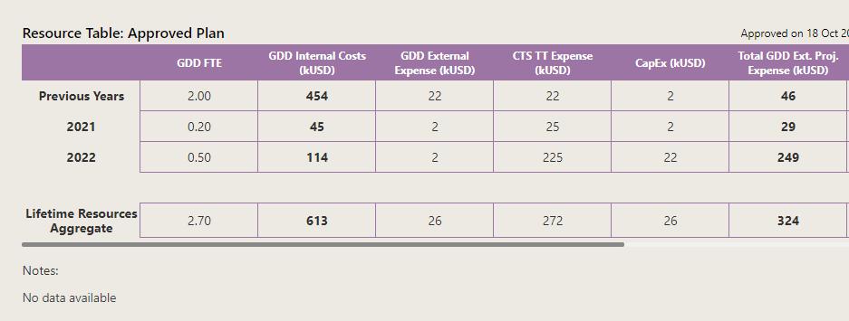

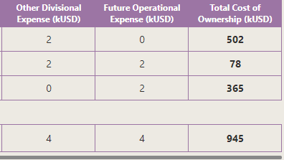

 | Resources | Approved Plan
 | Resources | Previous Years | Resource Breakup_Project | Year
 | Resources | 2021 | Resource Breakup_Project | Year
 | Resources | 2022 | Resource Breakup_Project | Year
 | Resources | Lifetime Resources Aggregate | Resource Breakup_Project | Year | Sum of PreviousYear+2021+2022+ so on
 | Resources | GDD External | Resource Breakup_Project | GDD External | The values are fetched from SONAR
 | Resources | CTS TT | Resource Breakup_Project | NBS IT | The values are fetched from SONAR
 | Resources | CapEx | Resource Breakup_Project | CapEx | User can edit the details if required
 | Resources | Other Divisional Expense | Resource Breakup_Project | Other Divisional | User can edit the details if required
 | Resources | Future Operational Expense | Resource Breakup_Project | Future Operational Expense | User can edit the details if required
 | Resources | GDD FTE | Resource Breakup_Project | GDD FTE | The values are fetched from SONAR
 | Resources | GDD Internal Costs | Resource Breakup_Project | GDD Internal Costs | GDD FTE * 227 (Standard Rate) GDD FTE is given by user,User can edit the details if required

 |  | Input

Risk
S.No | Section | Content | List Name | column | Calculation
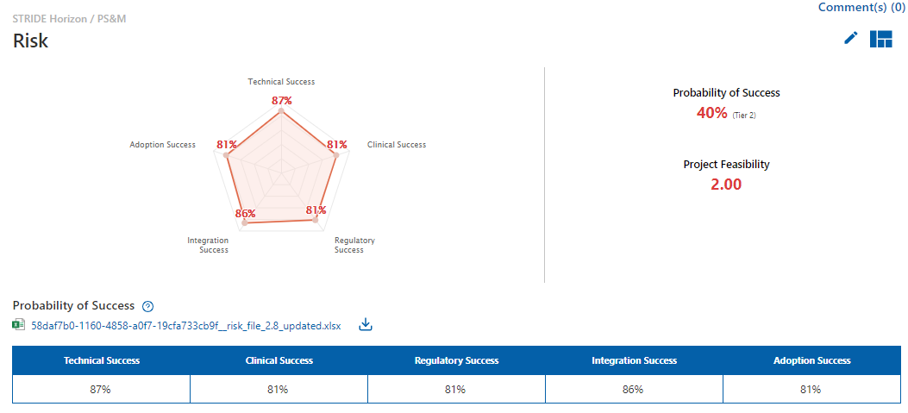

 | Proposal

1 | Risk | Probability of Success | Calculation based on above values |  | (Technical Success/100)*(Clinical Success/100)*(Regulatory Success/100)*(Integration Success/100)*(Adoption Success/100) *0.25*100
2 | Risk | Technical Success | Risk Assessment Summary | Technical Success | This value is reflected based on the risk file uploaded by the user
3 | Risk | Clinical Success | Risk Assessment Summary | Clinical Success | This value is reflected based on the risk file uploaded by the user
4 | Risk | Regulatory Success | Risk Assessment Summary | Regulatory Success | This value is reflected based on the risk file uploaded by the user
5 | Risk | Integration Success | Risk Assessment Summary | Integration Success | This value is reflected based on the risk file uploaded by the user
6 | Risk | Adoption Success | Risk Assessment Summary | Adoption Success | This value is reflected based on the risk file uploaded by the user

8 | Risk | Rating | Project Feasibility
9 | Risk | Internal Experience | Project Feasibility | Internal Experience | When user select Low: Field will update with 1 value Medium: Field will update with 2 value High: Field will update with 3 value
10 | Risk | Vendor Experience | Project Feasibility | Vendor Experience | When user select Low: Field will update with 1 value Medium: Field will update with 2 value High: Field will update with 3 value
11 | Risk | Project Simplicity | Project Feasibility | Project Simplicity | When user select Low: Field will update with 1 value Medium: Field will update with 2 value High: Field will update with 3 value
12 | Risk | Financial Feasibility | Project Feasibility | Financial Feasibility | When user select Low: Field will update with 1 value Medium: Field will update with 2 value High: Field will update with 3 value
13 | Risk | Rationale | Project Feasibility
14 | Risk | Internal Experience | Project Feasibility | Internal Experience Comments | User text
15 | Risk | Vendor Experience | Project Feasibility | Vendor Experience Comments | User text
16 | Risk | Project Simplicity | Project Feasibility | Project Simplicity Comments | User text
17 | Risk | Financial Feasibility | Project Feasibility | Financial Feasibility Comments | User text
18 | Risk | Notes | Project Feasibility | Notes | User text
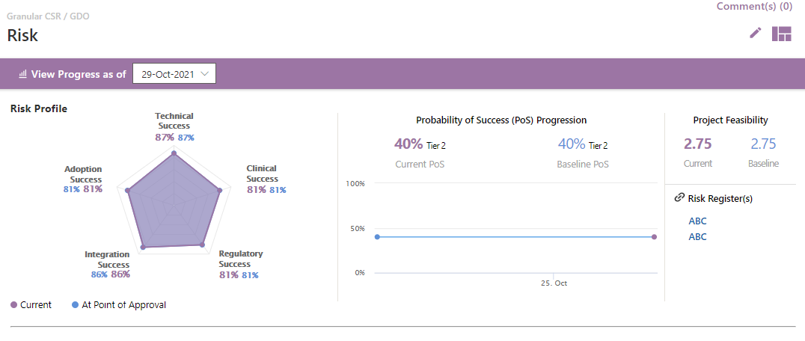

19 | Projects
20 | Risk | Risk Profile
21 | Risk | Technical Success | Risk Assessment Summary_Project | Technical Success
22 | Risk | Clinical Success | Risk Assessment Summary_Project | Clinical Success
23 | Risk | Regulatory Success | Risk Assessment Summary_Project | Regulatory Success
24 | Risk | Integration Success | Risk Assessment Summary_Project | Integration Success
25 | Risk | Adoption Success | Risk Assessment Summary_Project | Adoption Success
26 | Risk | Probability of Success |  | (Technical Success/100)*(Clinical Success/100)*(Regulatory Success/100)*(Integration Success/100)*(Adoption Success/100) *0.25*100
27 | Risk | Current PoS | Requested | (Technical Success/100)*(Clinical Success/100)*(Regulatory Success/100)*(Integration Success/100)*(Adoption Success/100) *0.25*100
28 | Risk | Baseline PoS | Approved | (Technical Success/100)*(Clinical Success/100)*(Regulatory Success/100)*(Integration Success/100)*(Adoption Success/100) *0.25*100

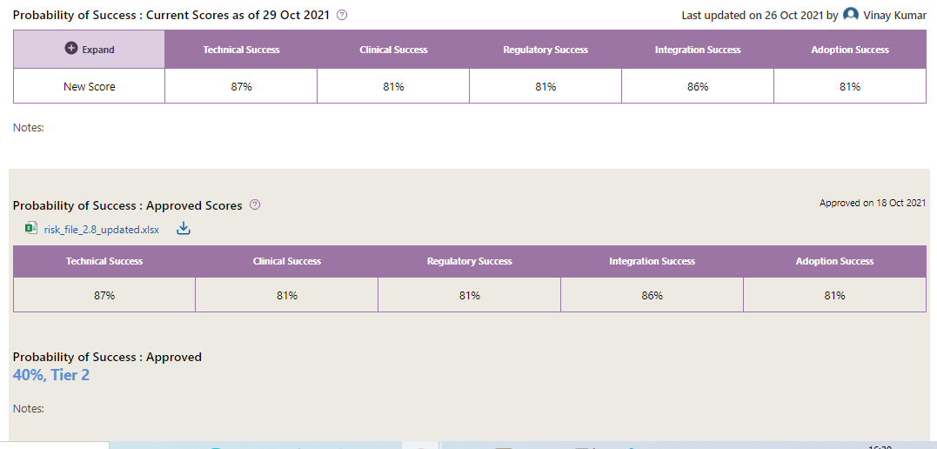

 | Risk | Probability of Success : Current Scores | Dev Team
 | Risk | Current Score | UserInput
 | Risk | Critical Risks | RiskAssessmentQuestions | criticalRisk
 | Risk | Answer Provided | RiskAssessmentQuestions | answerProvided
 | Risk | Risk Score | RiskAssessmentQuestions | riskScore
 | Risk | In Risk Register | RiskAssessmentQuestions | inRiskRegister
 | Risk | Mitigation in Place | RiskAssessmentQuestions | mitigationInPlace
 | Risk | Confidence in Mitigation | RiskAssessmentQuestions | confidenceInMitigation
 | Risk | Probability of Success : Approved Scores
 | Risk | Technical Success | Risk Assessment Summary_Project | Technical Success
 | Risk | Clinical Success | Risk Assessment Summary_Project | Clinical Success
 | Risk | Regulatory Success | Risk Assessment Summary_Project | Regulatory Success
 | Risk | Integration Success | Risk Assessment Summary_Project | Integration Success
 | Risk | Adoption Success | Risk Assessment Summary_Project | Adoption Success
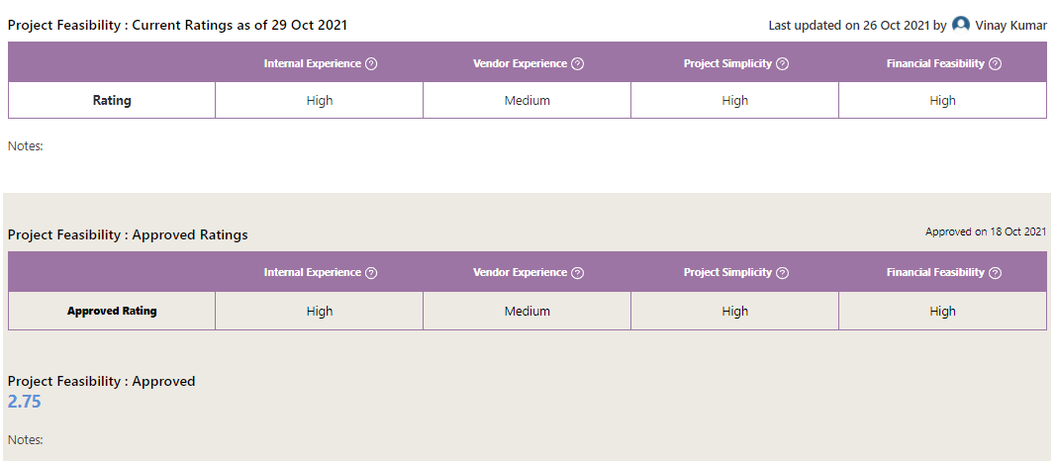

48 | Risk | Project Feasibility(Current)
49 | Risk | Rating
50 | Risk | Internal Experience | Project Feasibility | Internal Experience
51 | Risk | Vendor Experience | Project Feasibility | Vendor Experience
52 | Risk | Project Simplicity | Project Feasibility | Project Simplicity
53 | Risk | Financial Feasibility | Project Feasibility | Financial Feasibility
54 | Risk | Project Feasibility(Approved)
55 | Risk | Rating
56 | Risk | Internal Experience | Project Feasibility_Project | Internal Experience
57 | Risk | Vendor Experience | Project Feasibility_Project | Vendor Experience
58 | Risk | Project Simplicity | Project Feasibility_Project | Project Simplicity
59 | Risk | Financial Feasibility | Project Feasibility_Project | Financial Feasibility

60 | Risk | Risk Register
61 | Risk | Text to display on project: * | Risk Register_Project | Title
62 | Risk | URL to go to: * | Risk Register_Project | Risk Register Url

 |  | Inputs
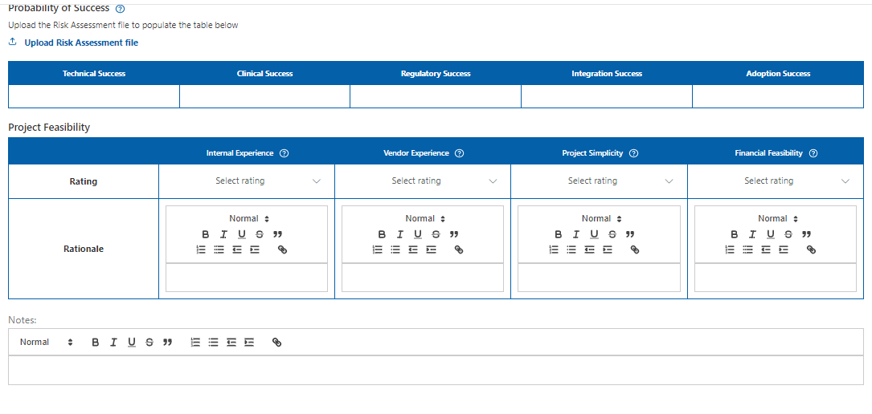

 |  | Inputs
 |  | Risk File
 |  | Probability of Success
 |  | Technical Success | Risk Assessment Summary_Proposal | Technical Success | This value is reflected based on the risk file uploaded by the user
 |  | Clinical Success | Risk Assessment Summary_Proposal | Clinical Success | This value is reflected based on the risk file uploaded by the user
 |  | Regulatory Success | Risk Assessment Summary_Proposal | Regulatory Success | This value is reflected based on the risk file uploaded by the user
 |  | Integration Success | Risk Assessment Summary_Proposal | Integration Success | This value is reflected based on the risk file uploaded by the user
 |  | Adoption Success | Risk Assessment Summary_Proposal | Adoption Success | This value is reflected based on the risk file uploaded by the user
 |  | Project Feasibility
 |  | Rating
 |  | Internal Experience | Project Feasibility | Internal Experience
 |  | Vendor Experience | Project Feasibility | Vendor Experience
 |  | Project Simplicity | Project Feasibility | Project Simplicity
 |  | Financial Feasibility | Project Feasibility | Financial Feasibility
 |  | Rationale
 |  | Internal Experience | Project Feasibility | Internal Experience Comments | User text
 |  | Vendor Experience | Project Feasibility | Vendor Experience Comments | User text
 |  | Project Simplicity | Project Feasibility | Project Simplicity Comments | User text
 |  | Financial Feasibility | Project Feasibility | Financial Feasibility Comments | User text
 |  | Notes | Project Feasibility | Notes

Impact
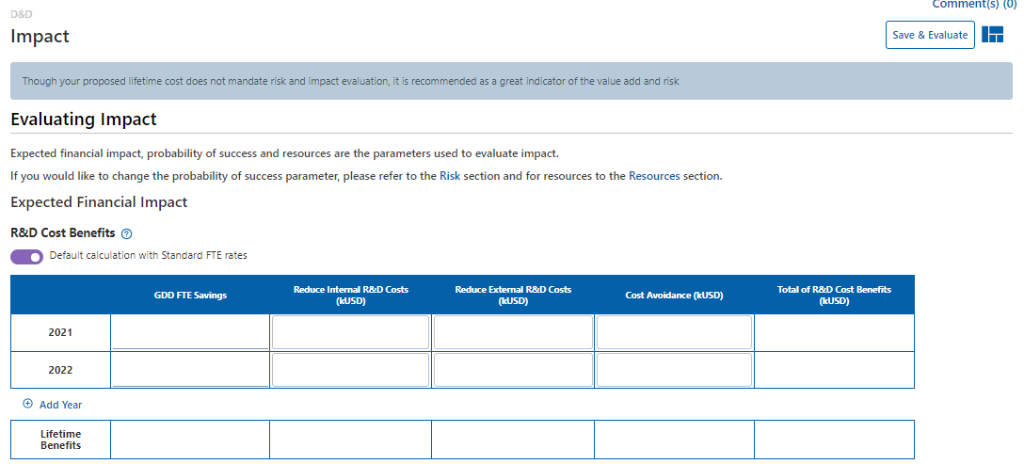
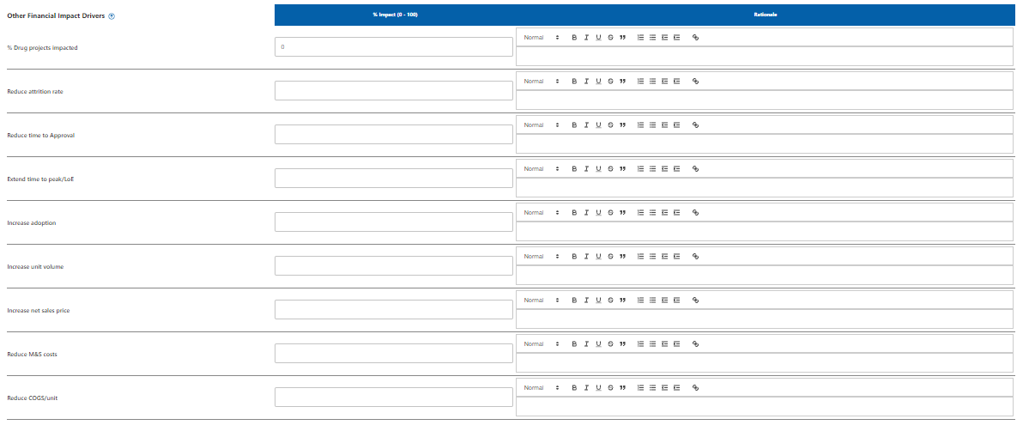
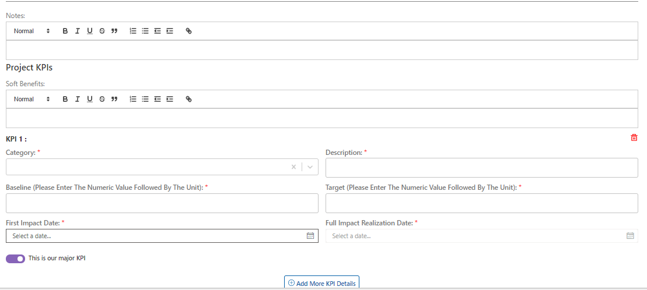
S.No | Section | Content | List Name | column | Calculation

 |  | Current
1 | Impact | R&D Cost Benefits
 |  | Year | Expected Impact Reduced Costs | Year
 | Impact | GDD FTE Savings | Expected Impact Reduced Costs | FTE | User Input
 | Impact | Reduce Internal R&D Costs (kUSD) | Expected Impact Reduced Costs | Reduce Int. RnD Costs | FTE* Standard FTE rate
 | Impact | Reduce External R&D Costs (kUSD) | Expected Impact Reduced Costs | Reduce Ext. RnD Costs | User Input
 | Impact | Cost Avoidance (kUSD) | Expected Impact Reduced Costs | Cost Avoidance | User Input
 | Impact | Total of R&D Cost Benefits (kUSD) | Expected Impact Reduced Costs |  | ((FTE* Standard FTE rate)+Reduce External R&D Costs (kUSD)t+Reduce External R&D Costs (kUSD))
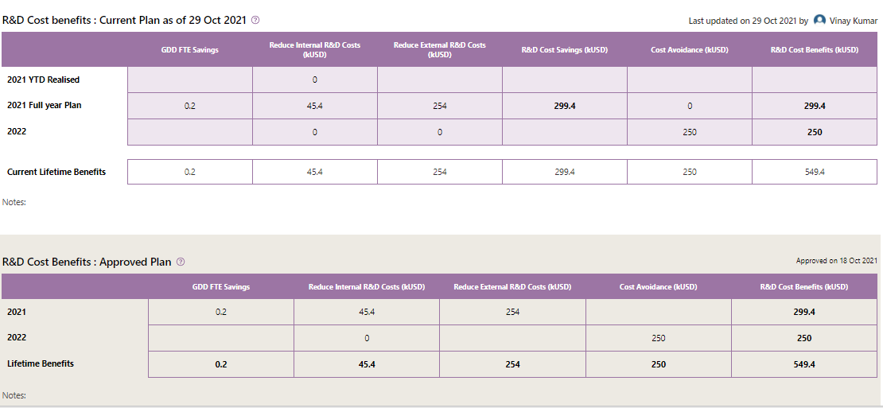

 |  |  |  |  |  | Reduced Costs YTD Realized

 |  | Approved
 | Impact | R&D Cost Benefits
 | Impact | GDD FTE Savings | Approved Expected Impact Reduced Costs | FTE | User Input
 | Impact | Reduce Internal R&D Costs (kUSD) | Approved Expected Impact Reduced Costs | Reduce Int. RnD Costs | FTE* Standard FTE rate
 | Impact | Reduce External R&D Costs (kUSD) | Approved Expected Impact Reduced Costs | Reduce Ext. RnD Costs | User Input
 | Impact | Cost Avoidance (kUSD) | Approved Expected Impact Reduced Costs | Cost Avoidance | User Input
 | Impact | Total of R&D Cost Benefits (kUSD) | Approved Expected Impact Reduced Costs |  | ((FTE* Standard FTE rate)+Reduce External R&D Costs (kUSD)t+Reduce External R&D Costs (kUSD))
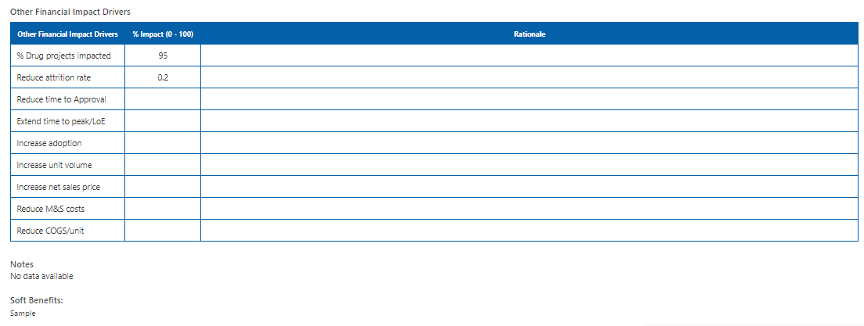

 |  | Current

2 | Impact | Other Financial Impact Drivers
 | Impact | % Drug projects impacted | Expected Impact | % of Drugs Impacted | Percentage value from 0.00 to 100, User input
 | Impact | Reduce attrition rate | Expected Impact | Reduce Attrition Rate | Percentage value from 0.00 to 101, User input
 | Impact | Reduce time to Approval | Expected Impact | Reduce Time to Approval | Percentage value from 0.00 to 102, User input
 | Impact | Extend time to peak/LoE | Expected Impact | Extend Time to Peak/LoE | Percentage value from 0.00 to 103, User input
 | Impact | Increase adoption | Expected Impact | Increase Adoption | Percentage value from 0.00 to 104, User input
 | Impact | Increase unit volume | Expected Impact | Increase Unit Volume | Percentage value from 0.00 to 105, User input
 | Impact | Increase net sales price | Expected Impact | Increase Net Sales Price | Percentage value from 0.00 to 106, User input
 | Impact | Reduce M&S costs | Expected Impact | ReduceMnSCosts(Not in data dictionary) | Percentage value from 0.00 to 107, User input
 | Impact | Reduce COGS/unit | Expected Impact | Reduce COGS/Unit | Percentage value from 0.00 to 108, User input

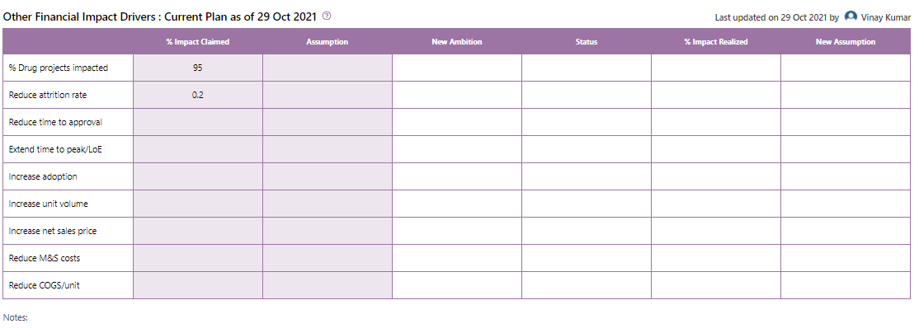

 | Impact | Approved
 | Impact | % Impact Claimed | Expected Impact | % of Drugs Impacted, Reduce Attrition Rate, Reduce Time to Approval, Extend Time to Peak/LoE, Increase Adoption, Increase Unit Volume, Increase Net Sales Price, ReduceMnSCosts(Not in data dictionary), Reduce COGS/Unit,
 | Impact | Assumption
 | Impact | New Ambition | Approved Expected Impact | PerDrugprojectsimpactedNewAmbition, ReducedAttritionRateNewAmbition , ReduceTimetoApprovalNewAmbition, ExtendTimetoPeakorLoENewAmbition, IncreaseAdoptionNewAmbition , IncreaseUnitVolumeNewAmbition, IncreaseNetSalesPriceNewAmbition, ReduceMnSCostsNewAmbition, ReduceCOGSorUnitNewAmbition,
 | Impact | Status | Approved Expected Impact | ReducedAttritionRateStatus, ReduceTimetoApprovalStatus , ExtendTimetoPeakorLoEStatus, IncreaseAdoptionStatus, IncreaseUnitVolumeStatus, IncreaseNetSalesPriceStatus , ReduceMnSCostsStatus, ReduceCOGSorUnitStatus , PerDrugprojectsimpactedStatus
 | Impact | % Impact Realized | Approved Expected Impact | PerDrugprojectsimpactedImpactRealized, ReducedAttritionRateImpactRealized , ReduceTimetoApprovalImpactRealized, ExtendTimetoPeakorLoEImpactRealized , IncreaseAdoptionImpactRealized, IncreaseUnitVolumeImpactRealized, IncreaseNetSalesPriceImpactRealized , ReduceMnSCostsImpactRealized, ReduceCOGSorUnitImpactRealized
 | Impact | New Assumption | Approved Expected Impact | PerDrugprojectsimpactedNewAssumption, ReducedAttritionRateNewAssumption, ReduceTimetoApprovalNewAssumption, ExtendTimetoPeakorLoENewAssumption, IncreaseAdoptionNewAssumption, IncreaseUnitVolumeNewAssumption , IncreaseNetSalesPriceNewAssumption , ReduceMnSCostsNewAssumption , ReduceCOGSorUnitNewAssumption

3 | Impact | Resultant Impact
 |  | Current
 | Impact | Impact & Value
 | Impact | % Drugs Impacted | ExtraVal Valuation Metrics | Percentage of Drugs Impacted | ExpectedImpact.PercentageofDrugsImpacted/100
 | Impact | Probability of Success | ExtraVal Valuation Metrics | Probability of Success | multiply([ProbofSuccess.TechnicalSuccess/100,ProbofSuccess.ClinicalSuccess/100,ProbofSuccess.RegulatorySuccess/100,ProbofSuccess.IntegrationSuccess/100,ProbofSuccess.AdoptionSuccess/100])
 | Impact | Total eNPV with Costs (mUSD) | ExtraVal Valuation Metrics | Total eNPV with Costs | ProbabilityofSuccess * TotalNPVwithCosts
 | Impact | Total NPV w/o Costs (mUSD) | ExtraVal Valuation Metrics | Total NPV without Costs | sum([.convertThousandsNumberToMillions(ImpactbyDriverNPVwithoutCosts.ReduceIntRnDCosts),.convertThousandsNumberToMillions(ImpactbyDriverNPVwithoutCosts.ReduceExtRnDCosts),ImpactbyDriverNPVwithoutCosts.ReduceAttritionRate,ImpactbyDriverNPVwithoutCosts.ReduceTimetoApproval,ImpactbyDriverNPVwithoutCosts.ExtendTimetoPeakorLoE,ImpactbyDriverNPVwithoutCosts.IncreaseAdoption,ImpactbyDriverNPVwithoutCosts.IncreaseUnitVolume,ImpactbyDriverNPVwithoutCosts.IncreaseNetSalesPrice,ImpactbyDriverNPVwithoutCosts.ReduceMnSCosts,ImpactbyDriverNPVwithoutCosts.ReduceCOGSorUnit]
 | Impact | Total eNPV w/o Costs (mUSD) | ExtraVal Valuation Metrics | Total eNPV without Costs | sum([.convertThousandsNumberToMillions(ImpactbyDrivereNPVwithoutCosts.ReduceIntRnDCosts),.convertThousandsNumberToMillions(ImpactbyDrivereNPVwithoutCosts.ReduceExtRnDCosts),ImpactbyDrivereNPVwithoutCosts.ReduceAttritionRate,ImpactbyDrivereNPVwithoutCosts.ReduceTimetoApproval,ImpactbyDrivereNPVwithoutCosts.ExtendTimetoPeakorLoE,ImpactbyDrivereNPVwithoutCosts.IncreaseAdoption,ImpactbyDrivereNPVwithoutCosts.IncreaseUnitVolume,ImpactbyDrivereNPVwithoutCosts.IncreaseNetSalesPrice,ImpactbyDrivereNPVwithoutCosts.ReduceMnSCosts,ImpactbyDrivereNPVwithoutCosts.ReduceCOGSorUnit])
 | Impact | NPV of Failure (Costs only) (mUSD) | ExtraVal Valuation Metrics | NPV of Failure | sumWithoutFixedDecimals(ResourceBreakUpmap((item, index) => {if (parseInt(item.Title) >= ValuationConstants.CurrentValuationYear) {return (-1) *(.multiply([(.convertThousandsNumberToMillions(.sum([item.GDDInternalCosts, item.CapEx, item.GDDExternal, item.SupplementaryGDDExternal,item.SupplementaryCapEx, item.OtherDivisional, item.SupplementaryOtherDivisional, item.NBSIT, item.SupplementaryNBSIT,item.FutureOperationalExpense])) * (1 - parseFloat(ValuationConstants.CorporateTaxRate))- parseFloat(ValuationConstants.WorkingCapitalRate) *((ValuationConstants.CurrentValuationYear == parseInt(item.Title)) ? 0 :.convertThousandsNumberToMillions(.sum([item.GDDInternalCosts, item.CapEx, item.GDDExternal, item.SupplementaryGDDExternal,item.SupplementaryCapEx, item.OtherDivisional, item.SupplementaryOtherDivisional, item.NBSIT, item.SupplementaryNBSIT,item.FutureOperationalExpense])) - (.convertThousandsNumberToMillions(.sum([ResourceBreakUpData[index - 1].GDDInternalCosts,ResourceBreakUpData[index - 1].GDDExternal, ResourceBreakUpData[index - 1].SupplementaryGDDExternal,ResourceBreakUpData[index - 1].CapEx, ResourceBreakUpData[index - 1].SupplementaryCapEx,ResourceBreakUpData[index - 1].OtherDivisional, ResourceBreakUpData[index - 1].SupplementaryOtherDivisional,ResourceBreakUpData[index - 1].NBSIT, ResourceBreakUpData[index - 1].SupplementaryNBSIT,ResourceBreakUpData[index - 1].FutureOperationalExpense]))))), (Math.pow((1 + parseFloat(ValuationConstants.DiscountRate)),(ValuationConstants.CurrentValuationYear - parseInt(item.Title))))]));} else { return null; }}
 | Impact | Total NPV with Costs (mUSD) | ExtraVal Valuation Metrics | Total NPV with Costs | .NPVofFailure + TotalNPVwithoutCosts
4 | Impact | Return
 | Impact | Overall ROCE | ExtraVal Valuation Metrics | Overall ROCE | TotalNPVwithCosts / .convertThousandsNumberToMillions(TotalProjectCosts)
 | Impact | Overall eROCE | ExtraVal Valuation Metrics | Overall eROCE | TotaleNPVwithCosts / .convertThousandsNumberToMillions(TotalProjectCosts)
 | Impact | Overall ROI | ExtraVal Valuation Metrics | Overall ROI | TotalNPVwithCosts / NPVofFailure
 | Impact | Overall eROI | ExtraVal Valuation Metrics | Overall eROI | TotaleNPVwithCosts / NPVofFailure
 | Impact | Impact By Driver (in mUSD)
5 | Impact | NPV w/o costs
 | Impact | Reduce Int. R&D Costs | Impact By Driver Metrics | Npv Reduce Int RnD Costs | .sum(ReducedRandDCostsmap((iItem, ind) => {if (iItem.Year >= ValuationConstants.CurrentValuationYear) {return .multiply([(iItem.ReduceIntRnDCosts * (1 - parseFloat(ValuationConstants.CorporateTaxRate)) - parseFloat(ValuationConstants.WorkingCapitalRate) * (ValuationConstants.CurrentValuationYear === iItem.Year ? 0 : iItem.Sequence == 0 ? iItem.ReduceIntRnDCosts : iItem.ReduceIntRnDCosts - (ReducedRandDCostsData[ind - 1].ReduceIntRnDCosts ? ReducedRandDCostsData[ind - 1].ReduceIntRnDCosts : 0))), Math.pow((1 + parseFloat(ValuationConstants.DiscountRate)), (ValuationConstants.CurrentValuationYear - iItem.Year))]);} else {return null;}}))
 | Impact | Reduce Ext. R&D Costs | Impact By Driver Metrics | Npv Reduce Ext RnD Costs | .sum(ReducedRandDCostsmap((iItem, ind) => { if (iItem.Year >= ValuationConstants.CurrentValuationYear) {return .multiply([(iItem.ReduceExtRnDCosts * (1 - parseFloat(ValuationConstants.CorporateTaxRate)) - parseFloat(ValuationConstants.WorkingCapitalRate) * (ValuationConstants.CurrentValuationYear === iItem.Year ? 0 : iItem.Sequence == 0 ? iItem.ReduceExtRnDCosts : iItem.ReduceExtRnDCosts - (ReducedRandDCostsData[ind - 1].ReduceExtRnDCosts ? ReducedRandDCostsData[ind - 1].ReduceExtRnDCosts : 0))), Math.pow((1 + parseFloat(ValuationConstants.DiscountRate)), (ValuationConstants.CurrentValuationYear - iItem.Year))]);} else {return null;}}))
 | Impact | Reduce Attrition Rate | Impact By Driver Metrics | Npv Reduce Attrition Rate | .multiply([parseFloat(DrugPortfolioeNPV), ExpectedImpact.PercentageofDrugsImpacted/100, ExpectedImpact.ReduceAttritionRate/100, (PortfolioeNPVSensitivity.ReduceAttritionRate/0.1)])
 | Impact | Reduce Time to Approval | Impact By Driver Metrics | Npv Reduce Time to Approval | .multiply([parseFloat(DrugPortfolioeNPV), ExpectedImpact.PercentageofDrugsImpacted/100, ExpectedImpact.ReduceTimetoApproval/100, (PortfolioeNPVSensitivity.ReduceTimetoApproval/0.1)])
 | Impact | Extend Time to Peak/LoE | Impact By Driver Metrics | Npv Extend Time to Peak or LoE | .multiply([parseFloat(DrugPortfolioeNPV), ExpectedImpact.PercentageofDrugsImpacted/100, ExpectedImpact.ExtendTimetoPeakorLoE/100, (PortfolioeNPVSensitivity.ExtendTimetoPeakorLoE/0.1)])
 | Impact | Increase Adoption | Impact By Driver Metrics | Npv Increase Adoption | .multiply([parseFloat(DrugPortfolioeNPV), ExpectedImpact.PercentageofDrugsImpacted/100, ExpectedImpact.IncreaseAdoption/100, (PortfolioeNPVSensitivity.IncreaseAdoption/0.1)])
 | Impact | Increase Unit Volume | Impact By Driver Metrics | NpvIncreaseUnitVolume | .multiply([parseFloat(DrugPortfolioeNPV), ExpectedImpact.PercentageofDrugsImpacted/100, ExpectedImpact.IncreaseUnitVolume/100, (PortfolioeNPVSensitivity.IncreaseUnitVolume/0.1)])
 | Impact | Increase Net Sales Price | Impact By Driver Metrics | NpvIncreaseNetSalesPrice | .multiply([parseFloat(DrugPortfolioeNPV), ExpectedImpact.PercentageofDrugsImpacted/100, ExpectedImpact.IncreaseNetSalesPrice/100, (PortfolioeNPVSensitivity.IncreaseNetSalesPrice/0.1)])
 | Impact | Reduce M&S Costs | Impact By Driver Metrics | NpvReduceMnSCosts | .multiply([parseFloat(DrugPortfolioeNPV), ExpectedImpact.PercentageofDrugsImpacted/100, ExpectedImpact.ReduceMnSCosts/100, (PortfolioeNPVSensitivity.ReduceMnSCosts/0.1)])
 | Impact | Reduce COGS/Unit | Impact By Driver Metrics | NpvReduceCOGSorUnit | .multiply([ValuationMetrics.ProbabilityofSuccess, ImpactbyDriverNPVwithoutCosts.ReduceCOGSorUnit])
6 | Impact | eNPV w/o costs
 | Impact | Reduce Int. R&D Costs | Impact By Driver Metrics | eNpvReduceIntRnDCosts | .multiply([ValuationMetrics.ProbabilityofSuccess, ImpactbyDriverNPVwithoutCosts.ReduceIntRnDCosts])
 | Impact | Reduce Ext. R&D Costs | Impact By Driver Metrics | eNpvReduceExtRnDCosts | .multiply([ValuationMetrics.ProbabilityofSuccess, ImpactbyDriverNPVwithoutCosts.ReduceExtRnDCosts])
 | Impact | Reduce Attrition Rate | Impact By Driver Metrics | eNpvReduceAttritionRate | .multiply([ValuationMetrics.ProbabilityofSuccess, ImpactbyDriverNPVwithoutCosts.ReduceExtRnDCosts])
 | Impact | Reduce Time to Approval | Impact By Driver Metrics | eNpvReduceTimetoApproval | .multiply([ValuationMetrics.ProbabilityofSuccess, ImpactbyDriverNPVwithoutCosts.ReduceTimetoApproval])
 | Impact | Extend Time to Peak/LoE | Impact By Driver Metrics | eNpvExtendTimetoPeakorLoE | .multiply([ValuationMetrics.ProbabilityofSuccess, ImpactbyDriverNPVwithoutCosts.ExtendTimetoPeakorLoE])
 | Impact | Increase Adoption | Impact By Driver Metrics | eNpvIncreaseAdoption | .multiply([ValuationMetrics.ProbabilityofSuccess, ImpactbyDriverNPVwithoutCosts.IncreaseAdoption])
 | Impact | Increase Unit Volume | Impact By Driver Metrics | eNpvIncreaseUnitVolume | .multiply([ValuationMetrics.ProbabilityofSuccess, ImpactbyDriverNPVwithoutCosts.IncreaseUnitVolume])
 | Impact | Increase Net Sales Price | Impact By Driver Metrics | eNpvIncreaseNetSalesPrice | .multiply([ValuationMetrics.ProbabilityofSuccess, ImpactbyDriverNPVwithoutCosts.IncreaseNetSalesPrice])
 | Impact | Reduce M&S Costs | Impact By Driver Metrics | eNpvReduceMnSCosts | .multiply([parseFloat(DrugPortfolioeNPV), ExpectedImpact.PercentageofDrugsImpacted/100, ExpectedImpact.ReduceMnSCosts/100, (PortfolioeNPVSensitivity.ReduceMnSCosts/0.1)])
 | Impact | Reduce COGS/Unit | Impact By Driver Metrics | eNpvReduceCOGSorUnit | .multiply([ValuationMetrics.ProbabilityofSuccess, ImpactbyDriverNPVwithoutCosts.ReduceCOGSorUnit])
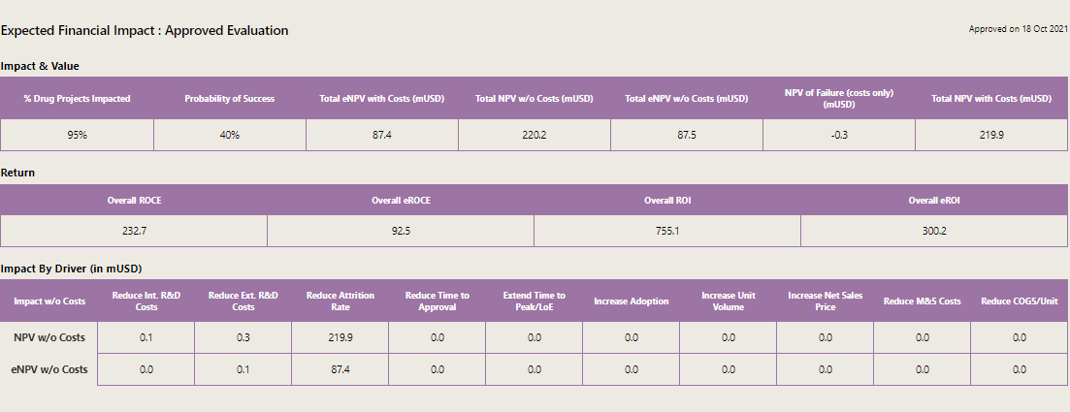

3 | Impact | Resultant Impact
 |  | Approved
 | Impact | Impact & Value
 | Impact | % Drugs Impacted | Approved ExtraVal Valuation Metrics | Percentage of Drugs Impacted | ExpectedImpact.PercentageofDrugsImpacted/100
 | Impact | Probability of Success | Approved ExtraVal Valuation Metrics | Probability of Success | multiply([ProbofSuccess.TechnicalSuccess/100,ProbofSuccess.ClinicalSuccess/100,ProbofSuccess.RegulatorySuccess/100,ProbofSuccess.IntegrationSuccess/100,ProbofSuccess.AdoptionSuccess/100])
 | Impact | Total eNPV with Costs (mUSD) | Approved ExtraVal Valuation Metrics | Total eNPV with Costs | ProbabilityofSuccess * TotalNPVwithCosts
 | Impact | Total NPV w/o Costs (mUSD) | Approved ExtraVal Valuation Metrics | Total NPV without Costs | sum([.convertThousandsNumberToMillions(ImpactbyDriverNPVwithoutCosts.ReduceIntRnDCosts),.convertThousandsNumberToMillions(ImpactbyDriverNPVwithoutCosts.ReduceExtRnDCosts),ImpactbyDriverNPVwithoutCosts.ReduceAttritionRate,ImpactbyDriverNPVwithoutCosts.ReduceTimetoApproval,ImpactbyDriverNPVwithoutCosts.ExtendTimetoPeakorLoE,ImpactbyDriverNPVwithoutCosts.IncreaseAdoption,ImpactbyDriverNPVwithoutCosts.IncreaseUnitVolume,ImpactbyDriverNPVwithoutCosts.IncreaseNetSalesPrice,ImpactbyDriverNPVwithoutCosts.ReduceMnSCosts,ImpactbyDriverNPVwithoutCosts.ReduceCOGSorUnit]
 | Impact | Total eNPV w/o Costs (mUSD) | Approved ExtraVal Valuation Metrics | Total eNPV without Costs | sum([.convertThousandsNumberToMillions(ImpactbyDrivereNPVwithoutCosts.ReduceIntRnDCosts),.convertThousandsNumberToMillions(ImpactbyDrivereNPVwithoutCosts.ReduceExtRnDCosts),ImpactbyDrivereNPVwithoutCosts.ReduceAttritionRate,ImpactbyDrivereNPVwithoutCosts.ReduceTimetoApproval,ImpactbyDrivereNPVwithoutCosts.ExtendTimetoPeakorLoE,ImpactbyDrivereNPVwithoutCosts.IncreaseAdoption,ImpactbyDrivereNPVwithoutCosts.IncreaseUnitVolume,ImpactbyDrivereNPVwithoutCosts.IncreaseNetSalesPrice,ImpactbyDrivereNPVwithoutCosts.ReduceMnSCosts,ImpactbyDrivereNPVwithoutCosts.ReduceCOGSorUnit])
 | Impact | NPV of Failure (Costs only) (mUSD) | Approved ExtraVal Valuation Metrics | NPV of Failure | sumWithoutFixedDecimals(ResourceBreakUpmap((item, index) => {if (parseInt(item.Title) >= ValuationConstants.CurrentValuationYear) {return (-1) *(.multiply([(.convertThousandsNumberToMillions(.sum([item.GDDInternalCosts, item.CapEx, item.GDDExternal, item.SupplementaryGDDExternal,item.SupplementaryCapEx, item.OtherDivisional, item.SupplementaryOtherDivisional, item.NBSIT, item.SupplementaryNBSIT,item.FutureOperationalExpense])) * (1 - parseFloat(ValuationConstants.CorporateTaxRate))- parseFloat(ValuationConstants.WorkingCapitalRate) *((ValuationConstants.CurrentValuationYear == parseInt(item.Title)) ? 0 :.convertThousandsNumberToMillions(.sum([item.GDDInternalCosts, item.CapEx, item.GDDExternal, item.SupplementaryGDDExternal,item.SupplementaryCapEx, item.OtherDivisional, item.SupplementaryOtherDivisional, item.NBSIT, item.SupplementaryNBSIT,item.FutureOperationalExpense])) - (.convertThousandsNumberToMillions(.sum([ResourceBreakUpData[index - 1].GDDInternalCosts,ResourceBreakUpData[index - 1].GDDExternal, ResourceBreakUpData[index - 1].SupplementaryGDDExternal,ResourceBreakUpData[index - 1].CapEx, ResourceBreakUpData[index - 1].SupplementaryCapEx,ResourceBreakUpData[index - 1].OtherDivisional, ResourceBreakUpData[index - 1].SupplementaryOtherDivisional,ResourceBreakUpData[index - 1].NBSIT, ResourceBreakUpData[index - 1].SupplementaryNBSIT,ResourceBreakUpData[index - 1].FutureOperationalExpense]))))), (Math.pow((1 + parseFloat(ValuationConstants.DiscountRate)),(ValuationConstants.CurrentValuationYear - parseInt(item.Title))))]));} else { return null; }}
 | Impact | Total NPV with Costs (mUSD) | Approved ExtraVal Valuation Metrics | Total NPV with Costs | .NPVofFailure + TotalNPVwithoutCosts
4 | Impact | Return
 | Impact | Overall ROCE | Approved ExtraVal Valuation Metrics | Overall ROCE | TotalNPVwithCosts / .convertThousandsNumberToMillions(TotalProjectCosts)
 | Impact | Overall eROCE | Approved ExtraVal Valuation Metrics | Overall eROCE | TotaleNPVwithCosts / .convertThousandsNumberToMillions(TotalProjectCosts)
 | Impact | Overall ROI | Approved ExtraVal Valuation Metrics | Overall ROI | TotalNPVwithCosts / NPVofFailure
 | Impact | Overall eROI | Approved ExtraVal Valuation Metrics | Overall eROI | TotaleNPVwithCosts / NPVofFailure
 | Impact | Impact By Driver (in mUSD)
5 | Impact | NPV w/o costs
 | Impact | Reduce Int. R&D Costs | Impact By Driver Metrics_Project | NpvReduceIntRnDCosts | .sum(ReducedRandDCostsmap((iItem, ind) => {if (iItem.Year >= ValuationConstants.CurrentValuationYear) {return .multiply([(iItem.ReduceIntRnDCosts * (1 - parseFloat(ValuationConstants.CorporateTaxRate)) - parseFloat(ValuationConstants.WorkingCapitalRate) * (ValuationConstants.CurrentValuationYear === iItem.Year ? 0 : iItem.Sequence == 0 ? iItem.ReduceIntRnDCosts : iItem.ReduceIntRnDCosts - (ReducedRandDCostsData[ind - 1].ReduceIntRnDCosts ? ReducedRandDCostsData[ind - 1].ReduceIntRnDCosts : 0))), Math.pow((1 + parseFloat(ValuationConstants.DiscountRate)), (ValuationConstants.CurrentValuationYear - iItem.Year))]);} else {return null;}}))
 | Impact | Reduce Ext. R&D Costs | Impact By Driver Metrics_Project | NpvReduceExtRnDCosts | .sum(ReducedRandDCostsmap((iItem, ind) => { if (iItem.Year >= ValuationConstants.CurrentValuationYear) {return .multiply([(iItem.ReduceExtRnDCosts * (1 - parseFloat(ValuationConstants.CorporateTaxRate)) - parseFloat(ValuationConstants.WorkingCapitalRate) * (ValuationConstants.CurrentValuationYear === iItem.Year ? 0 : iItem.Sequence == 0 ? iItem.ReduceExtRnDCosts : iItem.ReduceExtRnDCosts - (ReducedRandDCostsData[ind - 1].ReduceExtRnDCosts ? ReducedRandDCostsData[ind - 1].ReduceExtRnDCosts : 0))), Math.pow((1 + parseFloat(ValuationConstants.DiscountRate)), (ValuationConstants.CurrentValuationYear - iItem.Year))]);} else {return null;}}))
 | Impact | Reduce Attrition Rate | Impact By Driver Metrics_Project | NpvReduceAttritionRate | .multiply([parseFloat(DrugPortfolioeNPV), ExpectedImpact.PercentageofDrugsImpacted/100, ExpectedImpact.ReduceAttritionRate/100, (PortfolioeNPVSensitivity.ReduceAttritionRate/0.1)])
 | Impact | Reduce Time to Approval | Impact By Driver Metrics_Project | NpvReduceTimetoApproval | .multiply([parseFloat(DrugPortfolioeNPV), ExpectedImpact.PercentageofDrugsImpacted/100, ExpectedImpact.ReduceTimetoApproval/100, (PortfolioeNPVSensitivity.ReduceTimetoApproval/0.1)])
 | Impact | Extend Time to Peak/LoE | Impact By Driver Metrics_Project | NpvExtendTimetoPeakorLoE | .multiply([parseFloat(DrugPortfolioeNPV), ExpectedImpact.PercentageofDrugsImpacted/100, ExpectedImpact.ExtendTimetoPeakorLoE/100, (PortfolioeNPVSensitivity.ExtendTimetoPeakorLoE/0.1)])
 | Impact | Increase Adoption | Impact By Driver Metrics_Project | NpvIncreaseAdoption | .multiply([parseFloat(DrugPortfolioeNPV), ExpectedImpact.PercentageofDrugsImpacted/100, ExpectedImpact.IncreaseAdoption/100, (PortfolioeNPVSensitivity.IncreaseAdoption/0.1)])
 | Impact | Increase Unit Volume | Impact By Driver Metrics_Project | NpvIncreaseUnitVolume | .multiply([parseFloat(DrugPortfolioeNPV), ExpectedImpact.PercentageofDrugsImpacted/100, ExpectedImpact.IncreaseUnitVolume/100, (PortfolioeNPVSensitivity.IncreaseUnitVolume/0.1)])
 | Impact | Increase Net Sales Price | Impact By Driver Metrics_Project | NpvIncreaseNetSalesPrice | .multiply([parseFloat(DrugPortfolioeNPV), ExpectedImpact.PercentageofDrugsImpacted/100, ExpectedImpact.IncreaseNetSalesPrice/100, (PortfolioeNPVSensitivity.IncreaseNetSalesPrice/0.1)])
 | Impact | Reduce M&S Costs | Impact By Driver Metrics_Project | NpvReduceMnSCosts | .multiply([parseFloat(DrugPortfolioeNPV), ExpectedImpact.PercentageofDrugsImpacted/100, ExpectedImpact.ReduceMnSCosts/100, (PortfolioeNPVSensitivity.ReduceMnSCosts/0.1)])
 | Impact | Reduce COGS/Unit | Impact By Driver Metrics_Project | NpvReduceCOGSorUnit | .multiply([ValuationMetrics.ProbabilityofSuccess, ImpactbyDriverNPVwithoutCosts.ReduceCOGSorUnit])
6 | Impact | eNPV w/o costs
 | Impact | Reduce Int. R&D Costs | Impact By Driver Metrics_Project | eNpvReduceIntRnDCosts | .multiply([ValuationMetrics.ProbabilityofSuccess, ImpactbyDriverNPVwithoutCosts.ReduceIntRnDCosts])
 | Impact | Reduce Ext. R&D Costs | Impact By Driver Metrics_Project | eNpvReduceExtRnDCosts | .multiply([ValuationMetrics.ProbabilityofSuccess, ImpactbyDriverNPVwithoutCosts.ReduceExtRnDCosts])
 | Impact | Reduce Attrition Rate | Impact By Driver Metrics_Project | eNpvReduceAttritionRate | .multiply([ValuationMetrics.ProbabilityofSuccess, ImpactbyDriverNPVwithoutCosts.ReduceAttritionRate])
 | Impact | Reduce Time to Approval | Impact By Driver Metrics_Project | eNpvReduceTimetoApproval | .multiply([ValuationMetrics.ProbabilityofSuccess, ImpactbyDriverNPVwithoutCosts.ReduceTimetoApproval])
 | Impact | Extend Time to Peak/LoE | Impact By Driver Metrics_Project | eNpvExtendTimetoPeakorLoE | .multiply([ValuationMetrics.ProbabilityofSuccess, ImpactbyDriverNPVwithoutCosts.ExtendTimetoPeakorLoE])
 | Impact | Increase Adoption | Impact By Driver Metrics_Project | eNpvIncreaseAdoption | .multiply([ValuationMetrics.ProbabilityofSuccess, ImpactbyDriverNPVwithoutCosts.IncreaseAdoption])
 | Impact | Increase Unit Volume | Impact By Driver Metrics_Project | eNpvIncreaseUnitVolume | .multiply([ValuationMetrics.ProbabilityofSuccess, ImpactbyDriverNPVwithoutCosts.IncreaseUnitVolume])
 | Impact | Increase Net Sales Price | Impact By Driver Metrics_Project | eNpvIncreaseNetSalesPrice | .multiply([ValuationMetrics.ProbabilityofSuccess, ImpactbyDriverNPVwithoutCosts.IncreaseNetSalesPrice])
 | Impact | Reduce M&S Costs | Impact By Driver Metrics_Project | eNpvReduceMnSCosts | .multiply([parseFloat(DrugPortfolioeNPV), ExpectedImpact.PercentageofDrugsImpacted/100, ExpectedImpact.ReduceMnSCosts/100, (PortfolioeNPVSensitivity.ReduceMnSCosts/0.1)])
 | Impact | Reduce COGS/Unit | Impact By Driver Metrics_Project | eNpvReduceCOGSorUnit | .multiply([ValuationMetrics.ProbabilityofSuccess, ImpactbyDriverNPVwithoutCosts.ReduceCOGSorUnit])

 | Impact | Project KPI
 |  | Project KPIs : Current Evaluation
 |  | KPI Category | Business Benefits KPI Details | Category
 |  | KPI Description | Business Benefits KPI Details | PatentDescription
 |  | Baseline | Business Benefits KPI Details | BaseLine
 |  | Target | Business Benefits KPI Details | TargetRealised
 |  | First Impact Date | Business Benefits KPI Details | FirstImpactDate
 |  | Full Impact Realization Date | Business Benefits KPI Details | FullImpactRealizationDate
 |  | Major KPI | Business Benefits KPI Details | isMajorKPI

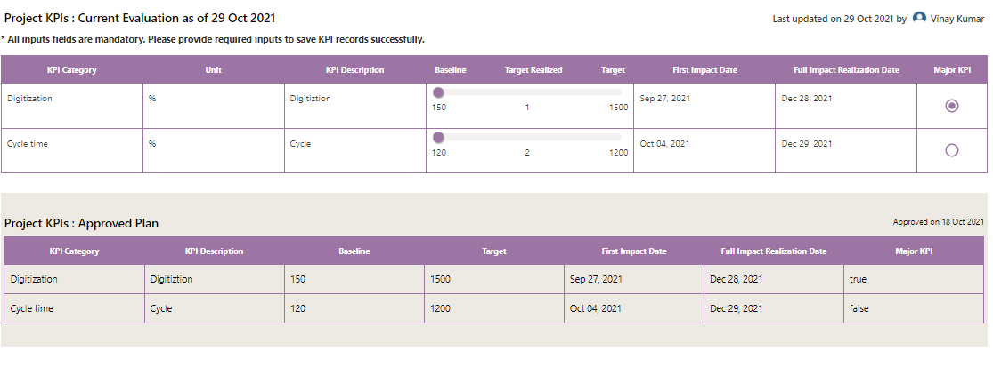

 |  | Project KPIs : Approved Evaluation
 |  | KPI Category | Approved Business Benefits KPI Details | Category
 |  | Unit | Approved Business Benefits KPI Details | Unit
 |  | KPI Description | Approved Business Benefits KPI Details | PatentDescription
 |  | Baseline | Approved Business Benefits KPI Details | BaseLine
 |  | Target Realized | Approved Business Benefits KPI Details | TargetRealised
 |  | Target | Approved Business Benefits KPI Details | Target
 |  | First Impact Date | Approved Business Benefits KPI Details | FirstImpactDate
 |  | Full Impact Realization Date | Approved Business Benefits KPI Details | FullImpactRealizationDate
 |  | Major KPI | Approved Business Benefits KPI Details | isMajorKPI

Phases & MileStones
S.No | Section | Content | List Name | column | Comments

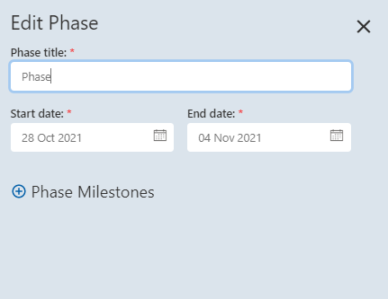

 | Current
1 | Phases & Milestones | Project Timeline
2 | Phases & Milestones | Add New Phase
3 | Phases & Milestones | Phase title: * | Phases & Milestones | Activity | UserInput
4 | Phases & Milestones | Start date: * | Phases & Milestones | StartDate | UserInput
5 | Phases & Milestones | End date: * | Phases & Milestones | DueDate | UserInput
6 | Phases & Milestones | Project Links
7 | Phases & Milestones | Text to display (up to 250 characters): * | Project Links | Text to Display | UserInput
8 | Phases & Milestones | URL to go to: * | Project Links | URL | UserInput

Approval Meetings
S.No | Section | Content | List Name | column | Comments
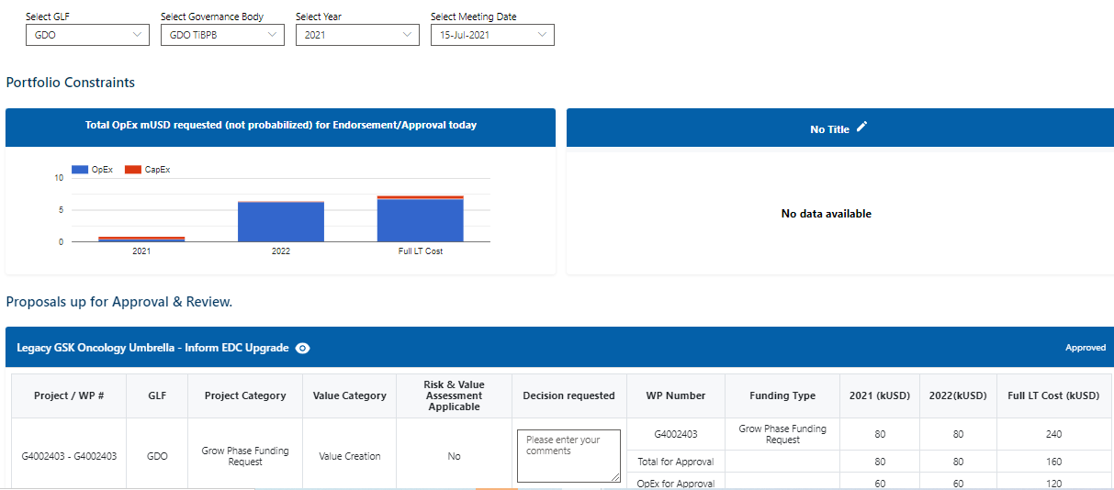

 |  | Select GLF | Function | Title
 |  | Select Governance Body | GLF Governance Body,Departments | Title,Title
 |  | Select Year | N/A | N/A
 |  | Select Meeting Date | VMT Calendar
 |  | Portfolio Constraints
 |  | OpEx
 |  | 2021
 |  | 2022 | Coming From Resource
 |  | Full LT cost
 |  | CapEx
 |  | 2021
 |  | 2022
 |  | Full LT cost
 |  | Proposals up for Approval & Review.
 |  | Project | Proposals | Title
 |  | Work Package | Proposals | Work Package Name
 |  | Status | Proposals | Proposal Status
 |  | GLF | Proposals | GLF
 |  | Project Category | Proposals | Project Category
 |  | Value Category | Proposals | Value Category
 |  | Risk & Value Assessment Applicable | Proposals | IPF Applicable | From Data Dictionary
 |  | Decision Requested | Proposals | VMT Decision Requested
 |  | WP Number | Proposals | Work Package ID
 |  | Funding Type | Proposals | Funding Type
 |  | 2021(kUSD)
 |  | 2022(kUSD) | Coming From Resource Section
 |  | FULL LT cost(kUSD)

VMT Calendar
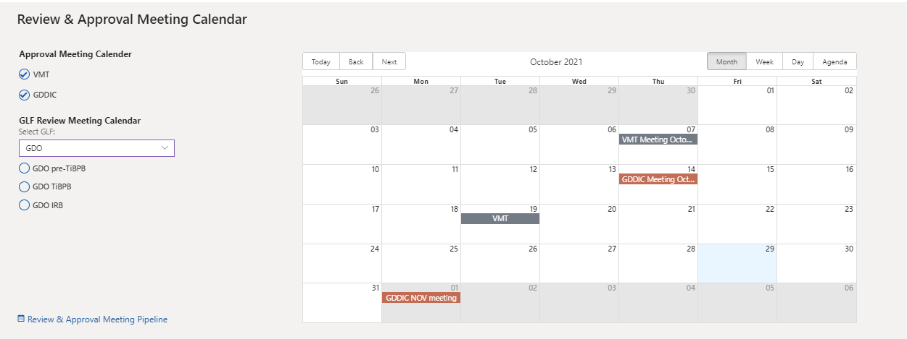
S.No | Section | Content | List Name | column | Comments

 |  | Review & Approval Meeting Calendar
 |  | Approval Meeting Calender
 |  | VMT | Departments | Title
 |  | GDDIC | Departments | Title
 |  | Select GLF | Function | Title
 |  | For GDO
 |  | GDO pre-TiBPB | GLF Governance Body | Title
 |  | GDO TiBPB | GLF Governance Body | Title
 |  | GDO IRB | GLF Governance Body | Title

Insights
S.No | Section | Content | List Name | column | Comments
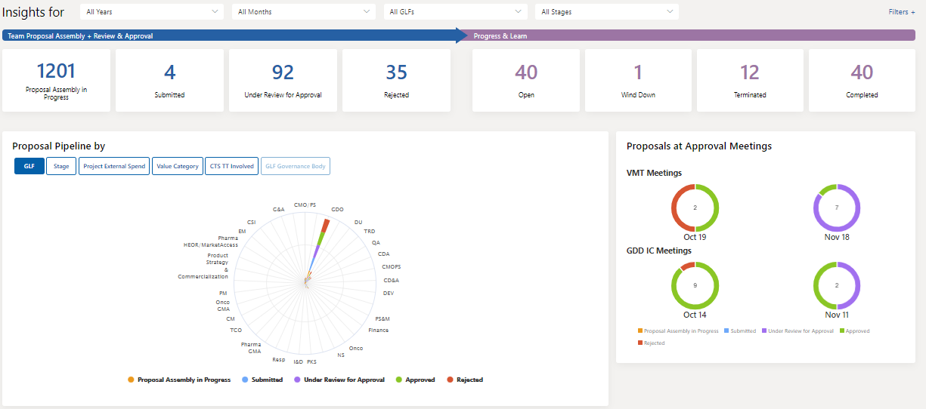

 |  | All Years | Proposals | Created
 |  | All Months | N/A | N/A | Used as configuration
 |  | All GLFS | Function | Title
 |  | ALL Stages | Funding Types | Funding Type
 |  | Team Proposal Assembly + Review & Approval |  |  | Proposals are fitlered based on the below values
 |  | Proposal Assembly in Progress | Proposals | Stage | Draft
 |  | Submitted | Proposals | Stage | VMT Verification
 |  | Under Review for Approval | Proposals | ProposalStatus | In Progress
 |  | Rejected | Proposals | Stage | Rejected
 |  | Progress & Learn
 |  | Open | Proposals | ProposalStatus | Open: Reapproval
 |  | Wind Down | Proposals | ProposalStatus | Wind Down
 |  | Terminated | Proposals | ProposalStatus | Terminated
 |  | Completed | Proposals | ProposalStatus | Assumed Completed
 |  | Proposal Pipeline by(With a filter-Proposal Assembly In Progress,Submitted,Under Review for Approval,Approved,Rejected)
 |  | GLF | Proposals | GLF
 |  | Stage | Proposals | FundingType
 |  | Project Extend Spend | Proposals | ProjectExternalCost
 |  | Value Category | Proposals | Project Category
 |  | CTS TT Involved | Proposals | IT Involved
 |  | Proposals at Approval Meetings(With a filter-Proposal Assembly In Progress,Submitted,Under Review for Approval,Approved,Rejected)
 |  | VMT Meetings(Oct,Nov) | VMT Calendar | Department
 |  | GDD IC Meetings(Oct,Nov) | VMT Calendar | Department

TeamCorner(Approved)
S.No | Section | Content | List Name | column | Calculation

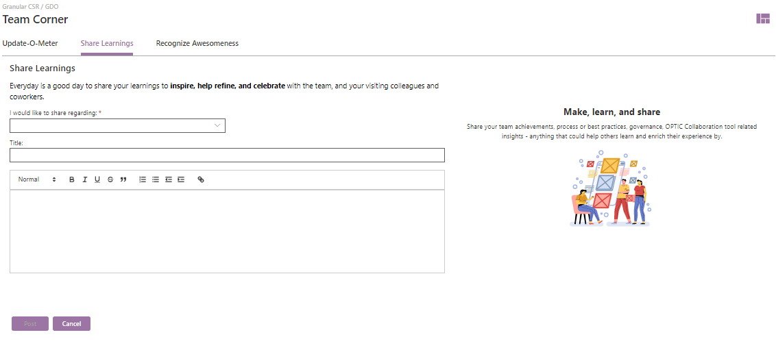

 |  | Share Learnings
 |  | I would like to share regarding: | Share Learnings | Learning
 |  | Title: | Share Learnings | Title
 |  | Text | Share Learnings | Description
 |  | Like | Share Learnings | Number of Likes

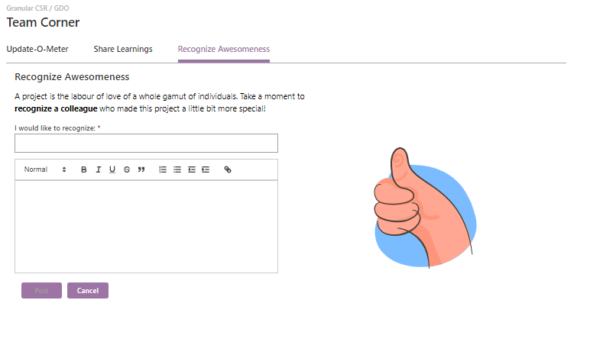

 |  | Recognize Awesomeness | Recognize
 |  | I would like to recognize: | Recognize | Users
 |  | Text | Recognize | Description

Application Feedback
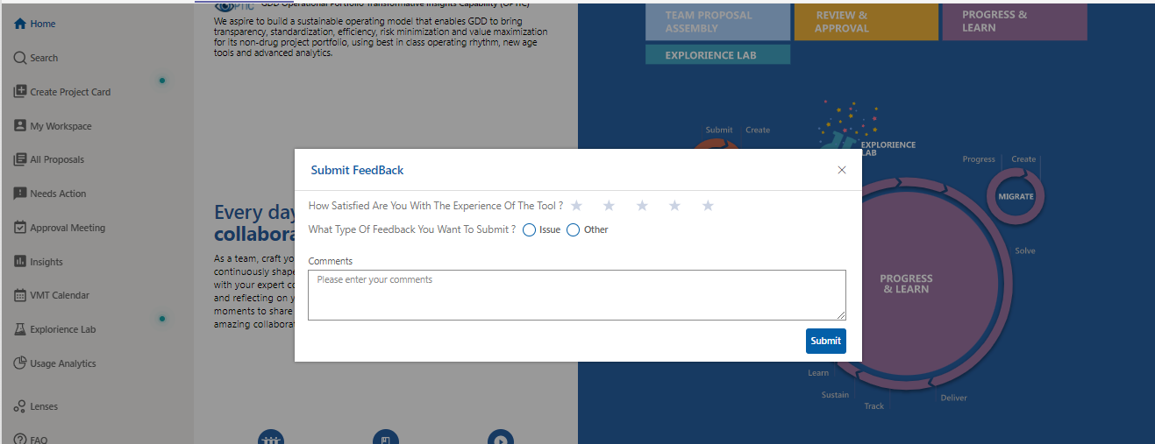

ListName | Column Name
Application Feedback | Title
Application Feedback | Rating
Application Feedback | IssueType
Application Feedback | Comments
Application Feedback | Status
Application Feedback | Modified
Application Feedback | Created

